Results
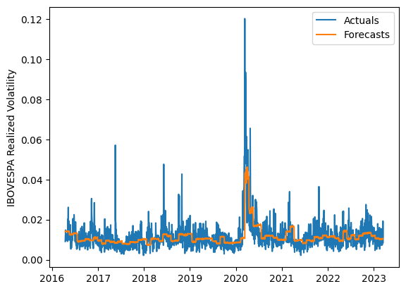
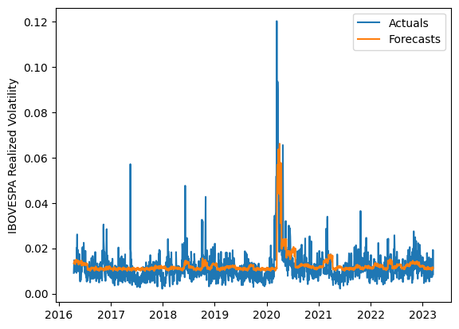
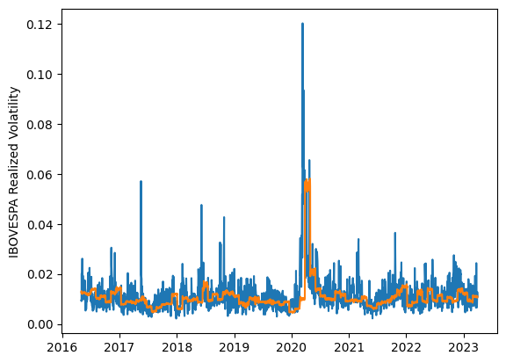
 | LSTM |  |  | TCN |  |  | NBEATSx |  |  |  |  | LSTM |  |  | TCN |  |  | NBEATSx
 | Accuracy | RMSE | Qlike | Accuracy | RMSE | Qlike | Accuracy | RMSE | Qlike |  |  | Accuracy | RMSE | Qlike | Accuracy | RMSE | Qlike | Accuracy | RMSE | Qlike
Trial 1 | 58.62% | 0.40% | 11.09% | 55.69% | 0.42% | 12.29% | 63.09% | 0.44% | 13.47% |  | Mean | 63.05% | 0.386% | 0.097 | 54.42% | 0.426% | 0.128 | 63.50% | 0.433% | 0.129
Trial 2 | 61.94% | 0.39% | 9.94% | 56.53% | 0.42% | 12.10% | 63.47% | 0.43% | 12.98% |  | Standard Deviation | 2.73% | 0.010% | 0.009 | 2.35% | 0.013% | 0.009 | 0.39% | 0.003% | 0.002
Trial 3 | 66.65% | 0.37% | 8.65% | 50.23% | 0.45% | 14.35% | 63.98% | 0.43% | 13.01% |  | 95% CI upper bound | 68.52% | 0.405% | 0.114 | 59.11% | 0.451% | 0.146 | 64.27% | 0.439% | 0.134
Trial 4 | 59.88% | 0.40% | 10.70% | 54.11% | 0.43% | 12.89% | 62.96% | 0.43% | 12.87% |  | 95% CI lower bound | 57.58% | 0.367% | 0.079 | 49.73% | 0.401% | 0.111 | 62.73% | 0.427% | 0.125
Trial 5 | 65.45% | 0.38% | 8.86% | 52.98% | 0.43% | 13.36% | 63.69% | 0.43% | 12.92% |  | 99.7% CI upper bound | 71.25% | 0.414% | 0.122 | 61.46% | 0.464% | 0.154 | 64.65% | 0.442% | 0.136
Trial 6 | 66.66% | 0.38% | 8.67% | 54.48% | 0.42% | 12.79% | 63.56% | 0.43% | 12.95% |  | 99.7% CI lower bound | 54.85% | 0.357% | 0.071 | 47.38% | 0.388% | 0.102 | 62.34% | 0.424% | 0.123
Trial 7 | 62.53% | 0.38% | 9.76% | 56.51% | 0.41% | 11.96% | 64.14% | 0.43% | 12.69%
Trial 8 | 64.55% | 0.38% | 9.18% | 53.34% | 0.43% | 13.26% | 63.78% | 0.43% | 12.62%
Trial 9 | 62.86% | 0.39% | 9.68% | 51.08% | 0.45% | 14.13% | 63.49% | 0.43% | 13.06%
Trial 10 | 59.04% | 0.40% | 10.94% | 51.83% | 0.44% | 13.77% | 62.89% | 0.44% | 13.28%
Trial 11 | 65.77% | 0.37% | 8.78% | 52.50% | 0.43% | 13.50% | 63.68% | 0.43% | 12.92%
Trial 12 | 64.79% | 0.38% | 9.08% | 56.53% | 0.42% | 11.92% | 63.54% | 0.43% | 12.75%
Trial 13 | 59.59% | 0.40% | 10.75% | 56.29% | 0.41% | 12.17% | 63.47% | 0.43% | 12.77%
Trial 14 | 63.79% | 0.38% | 9.38% | 58.07% | 0.41% | 11.59% | 62.89% | 0.44% | 13.14%
Trial 15 | 63.66% | 0.38% | 9.37% | 56.14% | 0.41% | 12.06% | 63.80% | 0.43% | 12.79%

 | LSTM (best trial) |  |  |  |  |  |  |  |  | TCN (best trial) |  |  |  |  |  |  |  |  | NBEATSx (best trial)

